Data - After Migration
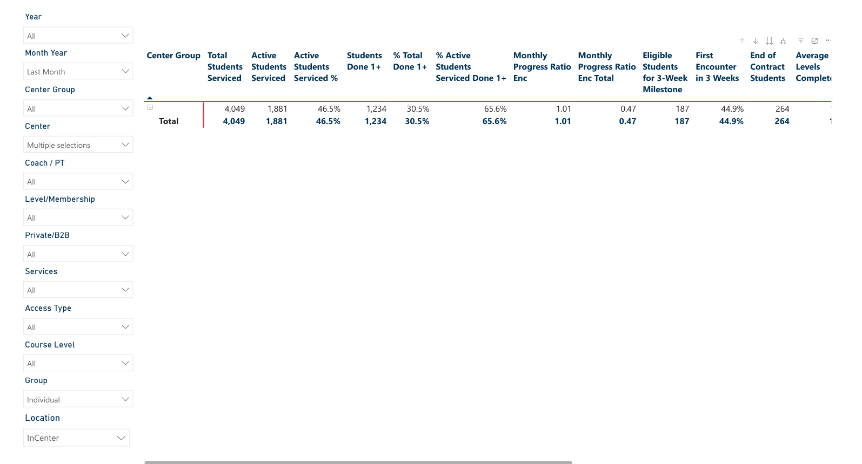
month | number member del | number member go | number member vip | total member | number member go cpt | number member del cpt | number member vip cpt | number member del without cpt | number member vip without cpt | number member go without cpt | total member without cpt
Oct-22 | 2652 | 1054 | 441 | 4147
Nov-22 | 2621 | 1068 | 413 | 4102
Dec-22 | 2629 | 1110 | 393 | 4132
Jan-23 | 2666 | 1158 | 382 | 4206 | 308 | 15 | 5 | 2651 | 377 | 850 | 3878
Feb-23 | 2639 | 1165 | 358 | 4162 | 310 | 19 | 5 | 2620 | 353 | 855 | 3828
Mar-23 | 2628 | 1167 | 338 | 4133 | 307 | 25 | 5 | 2603 | 333 | 860 | 3796
Apr-23 | 2576 | 1140 | 321 | 4037 | 295 | 25 | 3 | 2551 | 318 | 845 | 3714
May-23 | 2603 | 1147 | 314 | 4064 | 216 | 25 | 3 | 2578 | 311 | 931 | 3820
Jun-23 | 2606 | 1173 | 306 | 4085 | 68 | 43 | 0 | 2563 | 306 | 1105 | 3974
2023-07-01 | 2603 | 1178 | 305 | 4086 | 27 | 28 | 0 | 2575 | 305 | 1151 | 4031
2023-08-01 | 2624 | 1233 | 306 | 4163 | 133 | 1 | 1 | 2623 | 305 | 1100 | 4028
2023-09-01 | 2657 | 1275 | 301 | 4233 | 150 | 5 | 1 | 2652 | 300 | 1125 | 4077
2023-10-01 | 2676 | 1300 | 294 | 4270 | 150 | 5 | 1 | 2671 | 293 | 1150 | 4114
2023-11-01 | 2587 | 1314 | 271 | 4172 | 150 | 5 | 1 | 2582 | 270 | 1164 | 4016
2023-12-01 | 2479 | 1311 | 259 | 4049 | 27 | 5 | 1 | 2474 | 258 | 1284 | 4016

Core Product
Member Population
Data from Core Course and Erwin
Updated 3 January 2024

Count |  |  |  |  | Growth
Month | Deluxe | Go | VIP | Total Member | Month | Deluxe Growth | Go Growth | VIP Growth | Total Member Growth | EOC Member
2022-10-01 | 2652 | 1054 | 441 | 4147 | 2022-10-01 |  |  |  |  | 247
2022-11-01 | 2621 | 1068 | 413 | 4102 | 2022-11-01 | -1.2% | 1.3% | -6.3% | -1.1% | 235
2022-12-01 | 2629 | 1110 | 393 | 4132 | 2022-12-01 | 0.3% | 3.9% | -4.8% | 0.7% | 219
2023-01-01 | 2666 | 1158 | 382 | 4206 | 2023-01-01 | 1.4% | 4.3% | -2.8% | 1.8% | 313
2023-02-01 | 2639 | 1165 | 358 | 4162 | 2023-02-01 | -1.0% | 0.6% | -6.3% | -1.0% | 270
2023-03-01 | 2628 | 1167 | 338 | 4133 | 2023-03-01 | -0.4% | 0.2% | -5.6% | -0.7% | 239
2023-04-01 | 2576 | 1140 | 321 | 4037 | 2023-04-01 | -2.0% | -2.3% | -5.0% | -2.3% | 287
2023-05-01 | 2603 | 1147 | 314 | 4064 | 2023-05-01 | 1.0% | 0.6% | -2.2% | 0.7% | 244 | *revised for May 2023, data in Core Course changed
2023-06-01 | 2606 | 1173 | 306 | 4085 | 2023-06-01 | 0.1% | 2.3% | -2.5% | 0.5% | 312
2023-07-01 | 2603 | 1178 | 305 | 4086 | 2023-07-01 | -0.1% | 0.4% | -0.3% | 0.0% | 237
2023-08-01 | 2624 | 1233 | 306 | 4163 | 2023-08-01 | 0.8% | 4.7% | 0.3% | 1.9% | 195
2023-09-01 | 2657 | 1275 | 301 | 4233 | 2023-09-01 | 1.3% | 3.4% | -1.6% | 1.7%
2023-10-01 | 2676 | 1300 | 294 | 4270 | 2023-10-01 | 0.7% | 2.0% | -2.3% | 0.9%
2023-11-01 | 2587 | 1314 | 271 | 4172 | 2023-11-01 | -3.3% | 1.1% | -7.8% | -2.3%
2023-12-01 | 2479 | 1311 | 259 | 4049 | 2023-12-01 | -4.2% | -0.2% | -4.4% | -2.9%

Number of members obtained from Core Course PowerBI, student progress monthly report.
Number of EOC members obtained from Erwin, membership page.
Including corporate members.

Member Population - Core Product

 | Deluxe Growth | Go Growth | VIP Growth
2022-10-01
2022-11-01 | -0.011689291101 | 0.013282732448 | -0.063492063492
2022-12-01 | 0.0030522701259 | 0.039325842697 | -0.048426150121
2023-01-01 | 0.014073792316 | 0.043243243243 | -0.027989821883
2023-02-01 | -0.010127531883 | 0.0060449050086 | -0.062827225131
2023-03-01 | -0.0041682455476 | 0.0017167381974 | -0.055865921788
2023-04-01 | -0.019786910198 | -0.023136246787 | -0.050295857988
2023-05-01 | 0.01048136646 | 0.0061403508772 | -0.021806853583
2023-06-01 | 0.0011525163273 | 0.022667829119 | -0.025477707006
2023-07-01 | -0.0011511895625 | 0.0042625745951 | -0.0032679738562
2023-08-01 | 0.0080676142912 | 0.046689303905 | 0.0032786885246
2023-09-01 | 0.012576219512 | 0.034063260341 | -0.016339869281
2023-10-01 | 0.0071509220926 | 0.019607843137 | -0.023255813953
2023-11-01 | -0.033258594918 | 0.010769230769 | -0.078231292517
2023-12-01 | -0.041747197526 | -0.0022831050228 | -0.044280442804

Additional Product
Member Population
Data from Core Course and Erwin
Updated 3 January 2024

Count |  |  |  |  |  |  |  | Growth
Month | Club | Club + IELTS | Club + Proskill | IELTS | IELTS + Proskill | Proskill | Total Member | Month | Club Growth | Club + IELTS Growth | Club + Proskill Growth | IELTS Growth | IELTS + Proskill Growth | Proskill Growth | Total Member Growth
2022-10-01 | 37 | 4 | 1 | 393 | 12 | 253 | 700 | 2022-10-01
2022-11-01 | 42 | 6 | 1 | 378 | 12 | 243 | 682 | 2022-11-01 | 13.5% | 50.0% | 0.0% | -3.8% | 0.0% | -4.0% | -2.6%
2022-12-01 | 48 | 6 | 2 | 375 | 12 | 254 | 697 | 2022-12-01 | 14.3% | 0.0% | 100.0% | -0.8% | 0.0% | 4.5% | 2.2%
2023-01-01 | 56 | 8 | 3 | 395 | 10 | 245 | 717 | 2023-01-01 | 16.7% | 33.3% | 50.0% | 5.3% | -16.7% | -3.5% | 2.9%
2023-02-01 | 66 | 14 | 3 | 397 | 9 | 236 | 725 | 2023-02-01 | 17.9% | 75.0% | 0.0% | 0.5% | -10.0% | -3.7% | 1.1%
2023-03-01 | 74 | 17 | 4 | 407 | 10 | 228 | 740 | 2023-03-01 | 12.1% | 21.4% | 33.3% | 2.5% | 11.1% | -3.4% | 2.1%
2023-04-01 | 67 | 17 | 4 | 412 | 10 | 245 | 755 | 2023-04-01 | -9.5% | 0.0% | 0.0% | 1.2% | 0.0% | 7.5% | 2.0%
2023-05-01 | 73 | 18 | 4 | 473 | 11 | 279 | 858 | 2023-05-01 | 9.0% | 5.9% | 0.0% | 14.8% | 10.0% | 13.9% | 13.6%
2023-06-01 | 80 | 18 | 6 | 486 | 11 | 265 | 866 | 2023-06-01 | 9.6% | 0.0% | 50.0% | 2.7% | 0.0% | -5.0% | 0.9%
2023-07-01 | 92 | 25 | 5 | 491 | 10 | 252 | 875 | 2023-07-01 | 15.0% | 38.9% | -16.7% | 1.0% | -9.1% | -4.9% | 1.0%
2023-08-01 | 117 | 34 | 10 | 495 | 10 | 254 | 920 | 2023-08-01 | 27.2% | 36.0% | 100.0% | 0.8% | 0.0% | 0.8% | 5.1%
2023-09-01 | 140 | 39 | 12 | 518 | 9 | 258 | 976 | 2023-09-01 | 19.7% | 14.7% | 20.0% | 4.6% | -10.0% | 1.6% | 6.1%
2023-10-01 | 151 | 45 | 15 | 532 | 11 | 263 | 1017 | 2023-10-01 | 7.9% | 15.4% | 25.0% | 2.7% | 22.2% | 1.9% | 4.2%
2023-11-01 | 171 | 50 | 18 | 547 | 10 | 259 | 1055 | 2023-11-01 | 13.2% | 11.1% | 20.0% | 2.8% | -9.1% | -1.5% | 3.7%
2023-12-01 | 180 | 55 | 19 | 541 | 10 | 254 | 1059 | 2023-12-01 | 5.3% | 10.0% | 5.6% | -1.1% | 0.0% | -1.9% | 0.4%

Number of members obtained from Erwin - memberships.
The number ignores the member's core product; for instance, Deluxe + IELTS membership is considered as IELTS membership.
Members are those who have been active in a given month, even for one day. For example, members who joins on 31 Jan 2023 (last day of Jan 2023) will still be counted as member in Jan 2023.
Including corporate members.

Member Population - Additional Product

 | Deluxe Growth | Go Growth | VIP Growth
2022-10-01
2022-11-01 | -0.011689291101 | 0.013282732448 | -0.063492063492
2022-12-01 | 0.0030522701259 | 0.039325842697 | -0.048426150121
2023-01-01 | 0.014073792316 | 0.043243243243 | -0.027989821883
2023-02-01 | -0.010127531883 | 0.0060449050086 | -0.062827225131
2023-03-01 | -0.0041682455476 | 0.0017167381974 | -0.055865921788
2023-04-01 | -0.019786910198 | -0.023136246787 | -0.050295857988
2023-05-01 | 0.01048136646 | 0.0061403508772 | -0.021806853583
2023-06-01 | 0.0011525163273 | 0.022667829119 | -0.025477707006
2023-07-01 | -0.0011511895625 | 0.0042625745951 | -0.0032679738562
2023-08-01 | 0.0080676142912 | 0.046689303905 | 0.0032786885246
2023-09-01 | 0.012576219512 | 0.034063260341 | -0.016339869281
2023-10-01 | 0.0071509220926 | 0.019607843137 | -0.023255813953
2023-11-01 | -0.033258594918 | 0.010769230769 | -0.078231292517
2023-12-01 | -0.041747197526 | -0.0022831050228 | -0.044280442804

